Bug Report
BUG ID | TITLE | STEPS TO REPRODUCE | EXPECTED RESULT | ACTUAL RESULT | PRIORITY | IMAGE | STATUS
NT011 | Search bar not available | 1. Visit https://www.neighbortailor.com 2. Navigate to the shopping page or product listing area | A search bar should be clearly visible at the top or somewhere prominent to allow product searching | A search bar should be clearly visible at the top or somewhere prominent to allow product searching | MEDDIUM |  | Open
NT014 | Cannot navigate back to shopping store from product detail page | 1. Visit https://www.neighbortailor.com 2. Click on any product to go to the detail page 3. Look for a back or close button or "Continue Shopping" link | User should be able to return to the main shopping area (e.g., product grid or listing page) | There is no visible or working navigation control to return to the shopping store. User is stuck. | HIGH | 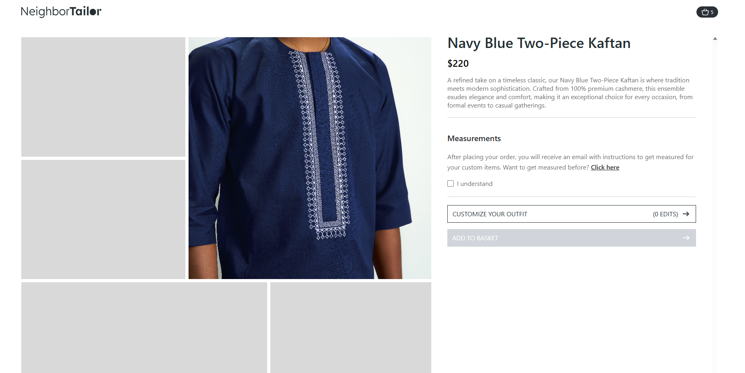 | Open
NT016 | Product name shows "undefined" before content loads | 1. Visit a product detail page (e.g., via homepage or shopping page) 2. Observe the product name area immediately on page load 3. Watch closely during initial loading seconds | A skeleton loader or placeholder (e.g., grey bar, shimmer) should be shown until the product data fully loads | The text “undefined” appears briefly where the product name should be, then disappears when data loads | LOW | 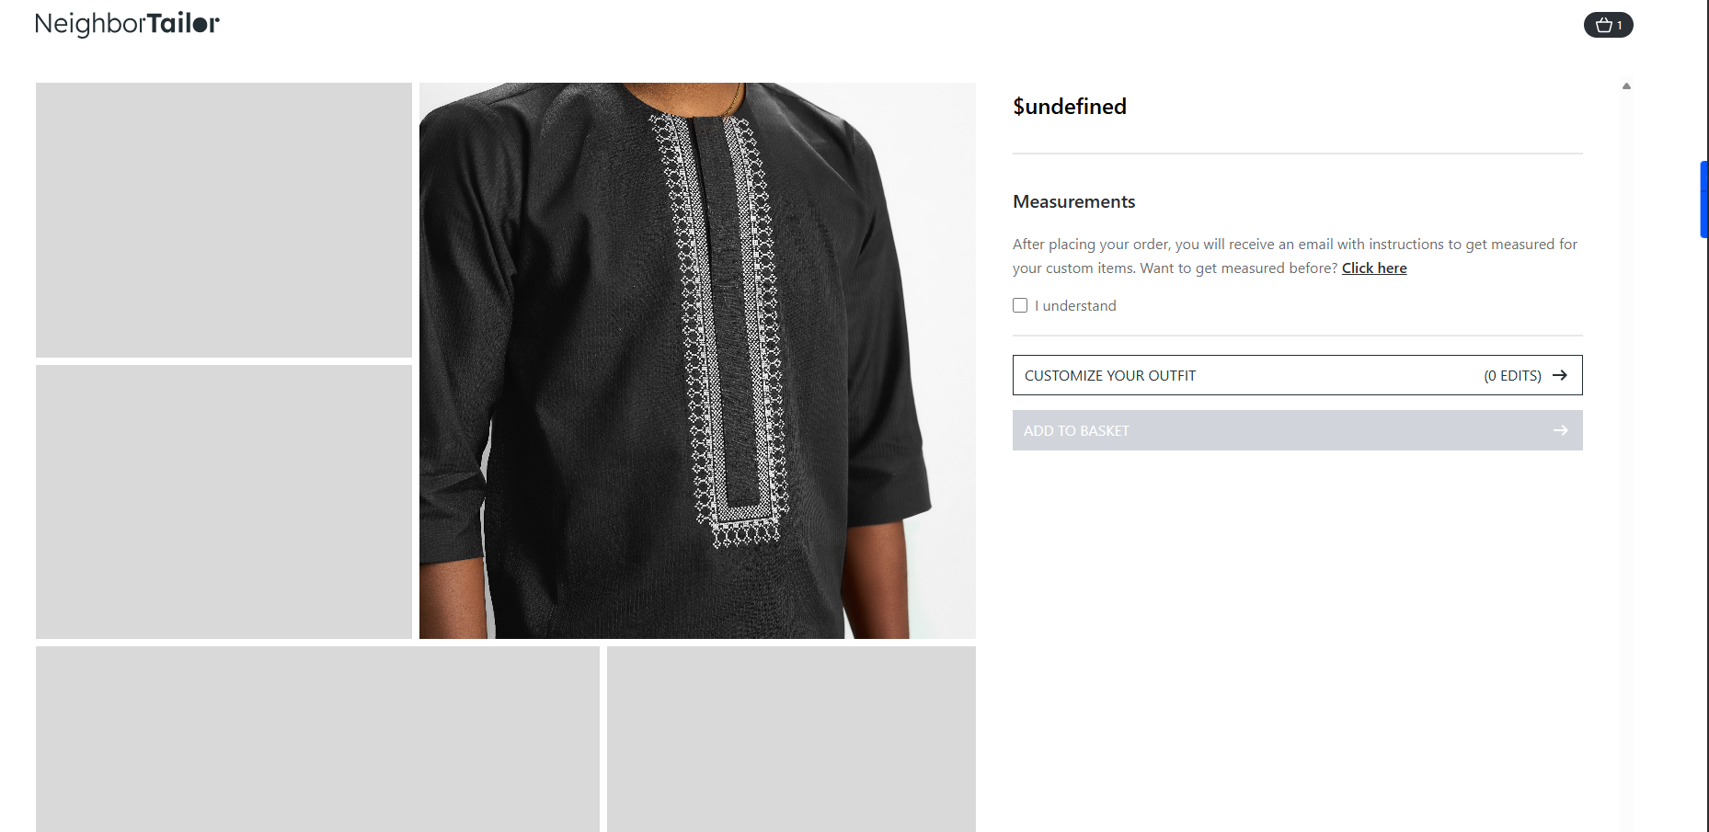 | Open
NT017 | Click here to get measured” button not clickable | 1. Add a product to the cart with customization 2. Proceed to the checkout page 3. Look for the “Click here to get measured” link or button 4. Try clicking it | User should be able to click on the button to launch a measurement guide or form before continuing to checkout | The button is either not clickable, missing, or does not trigger any action | HIGH |  | Open
NT020 | “Continue Shopping” from empty cart navigates to homepage instead of shop page | 1. Go to https://www.neighbortailor.com 2. Ensure the cart is empty 3. Click on the cart icon 4. Click “Continue Shopping” from the empty state | User should be redirected to the shopping/product listing page (e.g., /shop or /store) | User is redirected to the homepage, not the intended shopping area | HIGH | 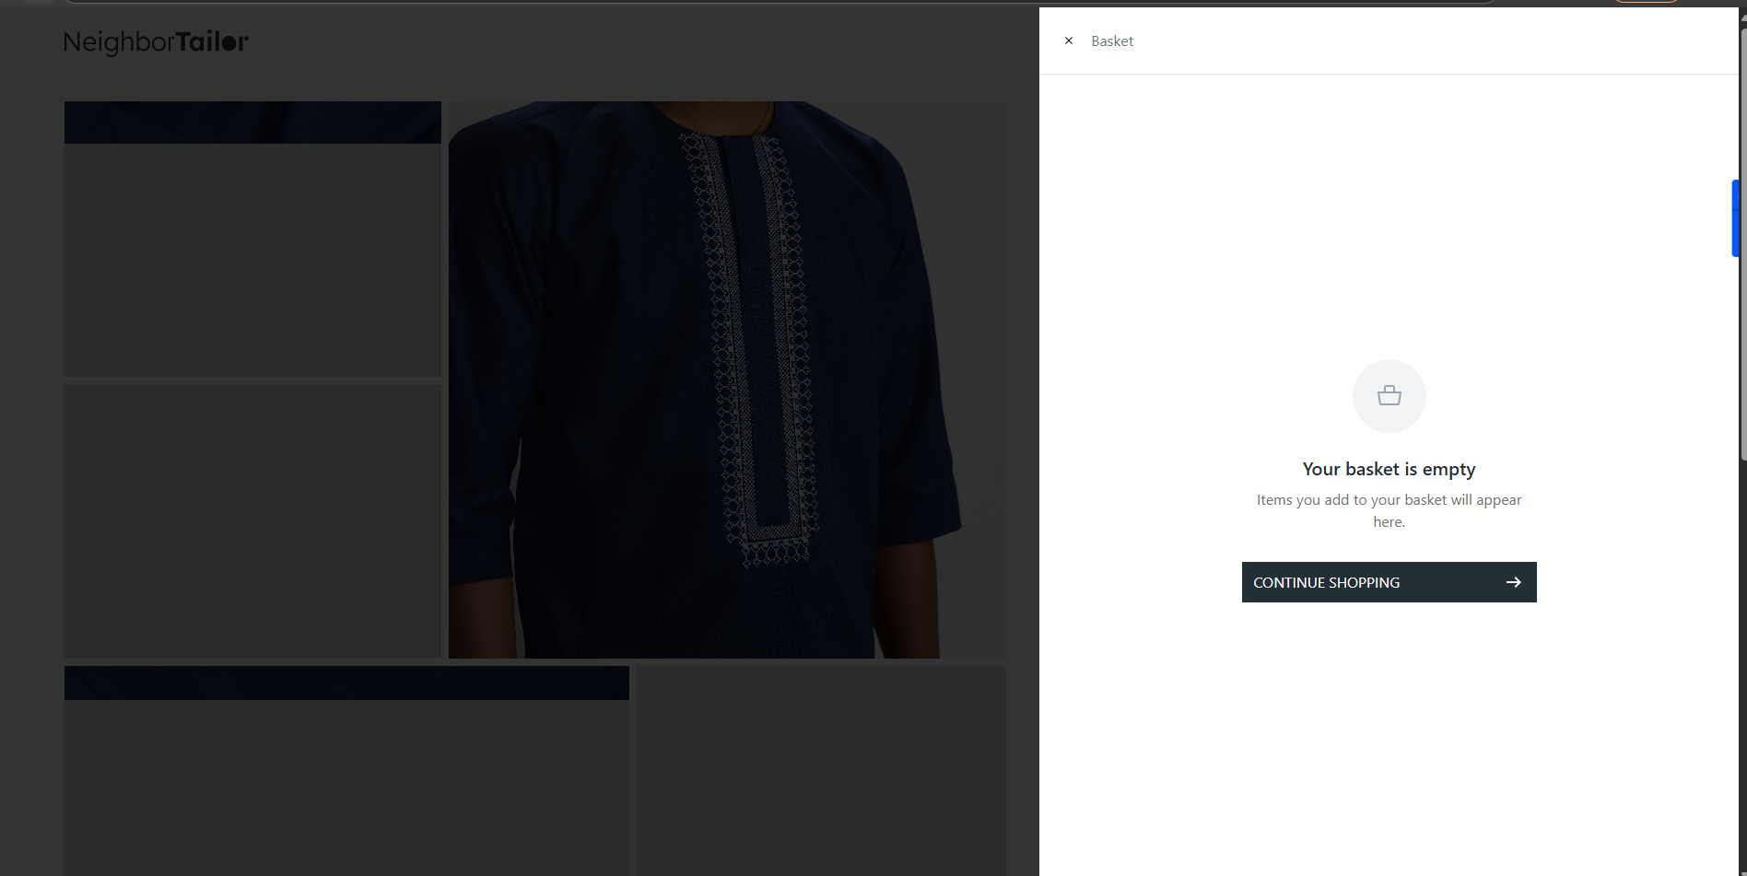 | Open
NT033 | Product color missing on checkout page and shopping page | 1. Go to https://www.neighbortailor.com 2. Add a product with full customization, including color 3. Proceed to checkout page | All product details (name, quantity, price, selected color, etc.) should be shown on the checkout summary | Uer cannot select color hence its not displaying on the check out page | MEDDIUM |  | Open
NT034 | Checkout button disabled after editing cart from checkout page | 1. Proceed to checkout page with items in cart 2. Use the option to edit or update cart items directly from the checkout page 3. Make changes (e.g., quantity, customization) 4. Observe the “Checkout” | After editing the cart, the checkout or pay button should remain enabled and updates should reflect properly | The checkout button becomes unclickable after cart edits from the checkout page, blocking progress | HIGH | 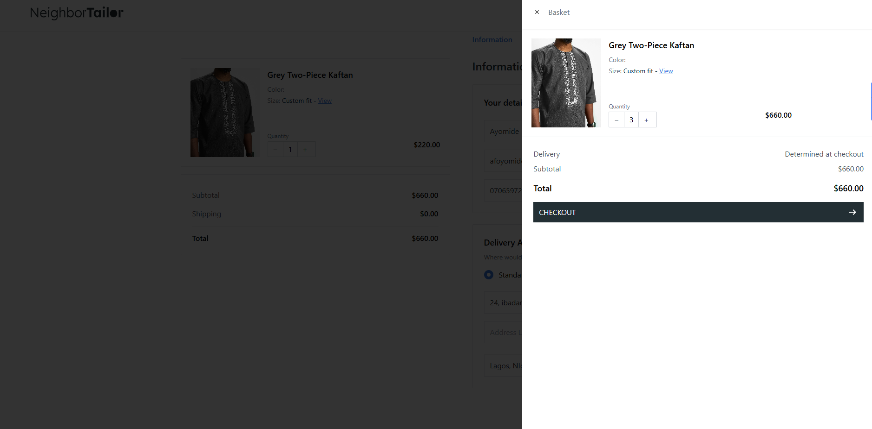 | Open
NT040 | Total amount visible before shipping information confirmation | 1. Add items to cart and proceed to checkout 2. On checkout page, do not enter or confirm shipping information 3. Observe total amount section | Total amount (subtotal + shipping + tax) should be hidden until shipping details are entered & confirmed | total amount is visible immediately, even before shipping info is provided or confirmed | HIGH | 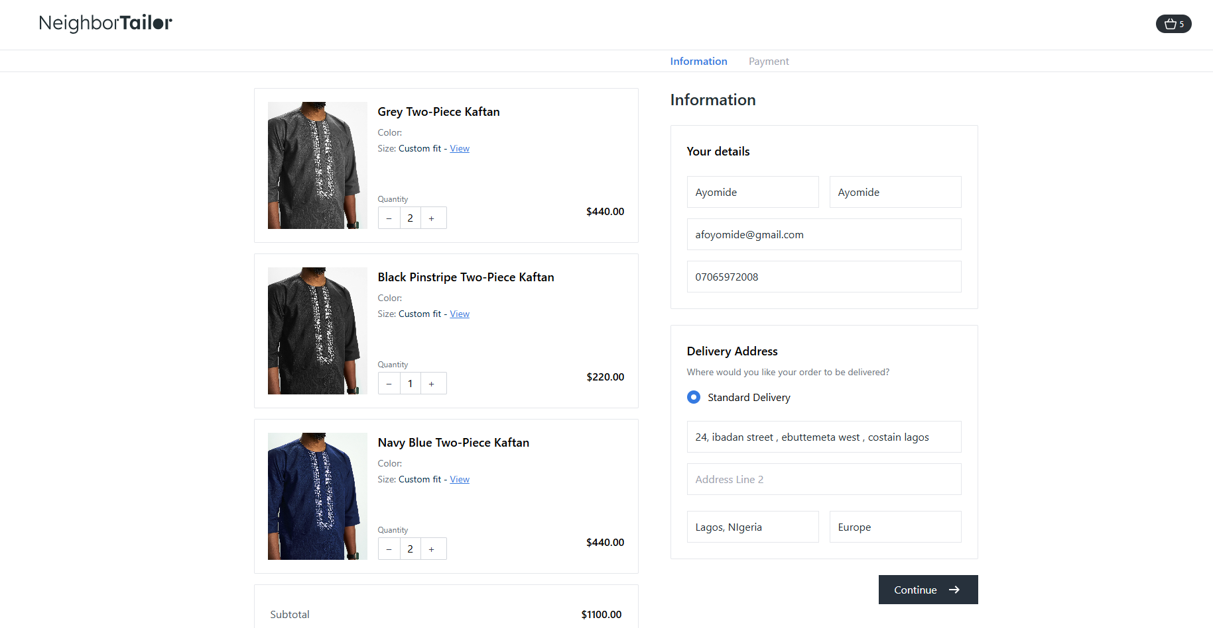 | Open
NT041 | User cannot select shipping type or shipping fees not updated | 1. Proceed to checkout page 2. Locate shipping options (e.g., Standard, Express) 3. Select different shipping types 4. Observe the final amount or fees section | Selecting a shipping type updates the total fee, including shipping charges, correctly and instantly | Either shipping options cannot be selected, or shipping fees do not update the total amount accordingly | HIGH |  | Open
NT047 | “Pay” button enabled before entering valid card details | 1. Proceed to checkout payment section 2. Leave card details fields empty or fill with invalid data 3. Observe the “Pay” button | The “Pay” button should be disabled until all required card fields are correctly filled and validated | The “Pay” button is enabled even when no or invalid card details are entered; clicking it results in payment failure | MEDDIUM | 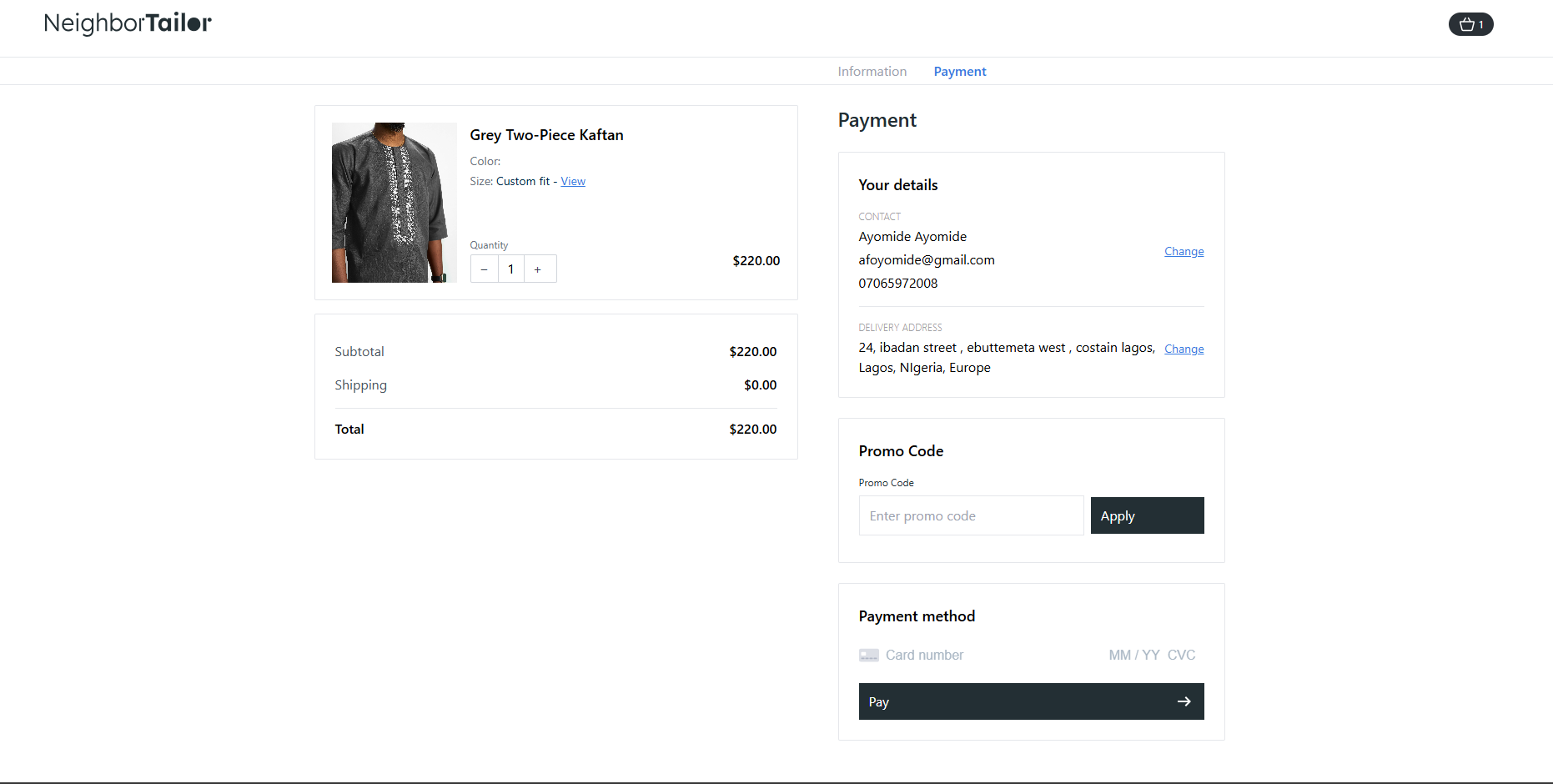 | Open
NT049 | Pay” button click does not trigger payment despite valid card | 1. Proceed to checkout 2. Enter valid card details (number, expiry, CVV) 3. Click the “Pay” button | Payment process should start, showing a loading spinner or redirecting to a confirmation/receipt page | Nothing happens after clicking “Pay” — no loading indicator, no error, no navigation | HIGH |  | Open
NT050 | Checkout form data is cleared when page reloads | 1. Proceed to checkout page 2. Fill in all required checkout information (name, email, address, payment details) 3. Reload/refresh the page | The form should retain the entered data after page reload, preserving user input | All entered checkout information is cleared and user must re-enter all details | HIGH | 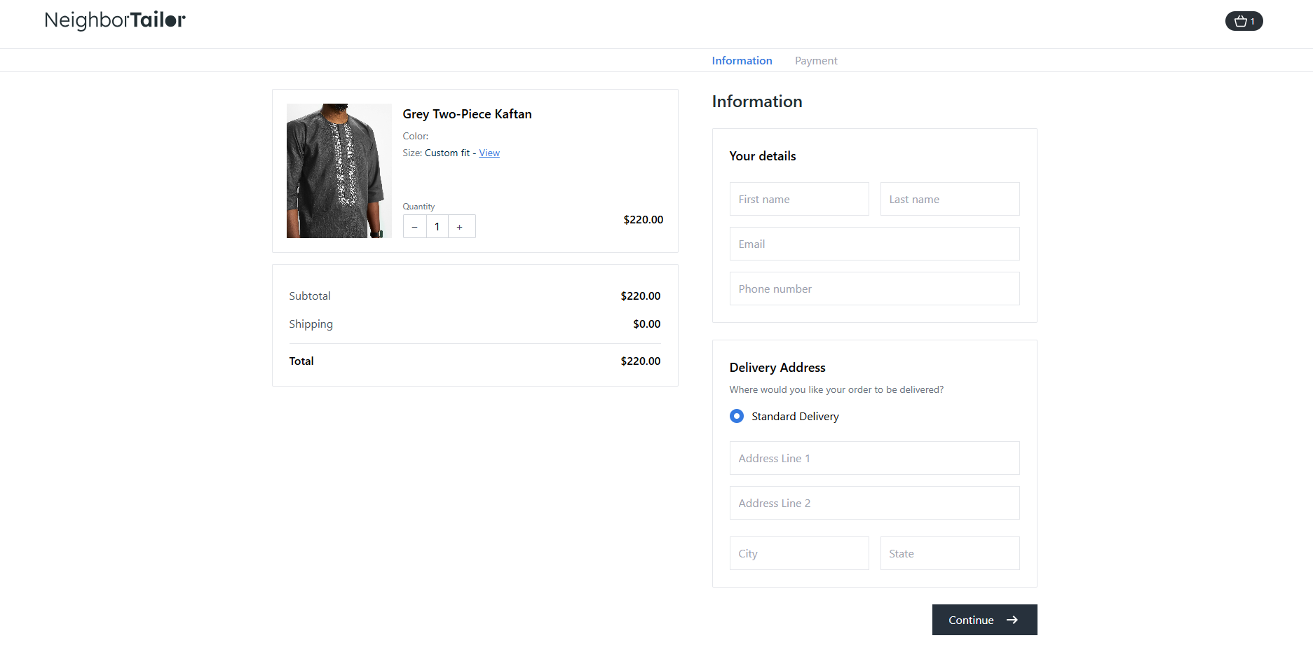 | Open

